Sheet1
 |  | Document No. | Issue No. | Issue Date |  | Review and Replace Date |  | Authorised By
 |  | GFF551MC | 1 | 27.01.2026 |  | New doc
 |  | Document Title | 6 Vegetable Spring Rolls 180g
 |  |  |  |  |  |  |  | Magda Shah
Document amendments reason for change |  | New doc | Page 1 of 1 |  | Previous Issue Date |  | New Doc | Uncontrolled copy unless signed original

CVSRM1-R6T | GAZEBO |  | 6 Vegetable Spring Rolls 180g | CHILLED

 |  |  |  |  | 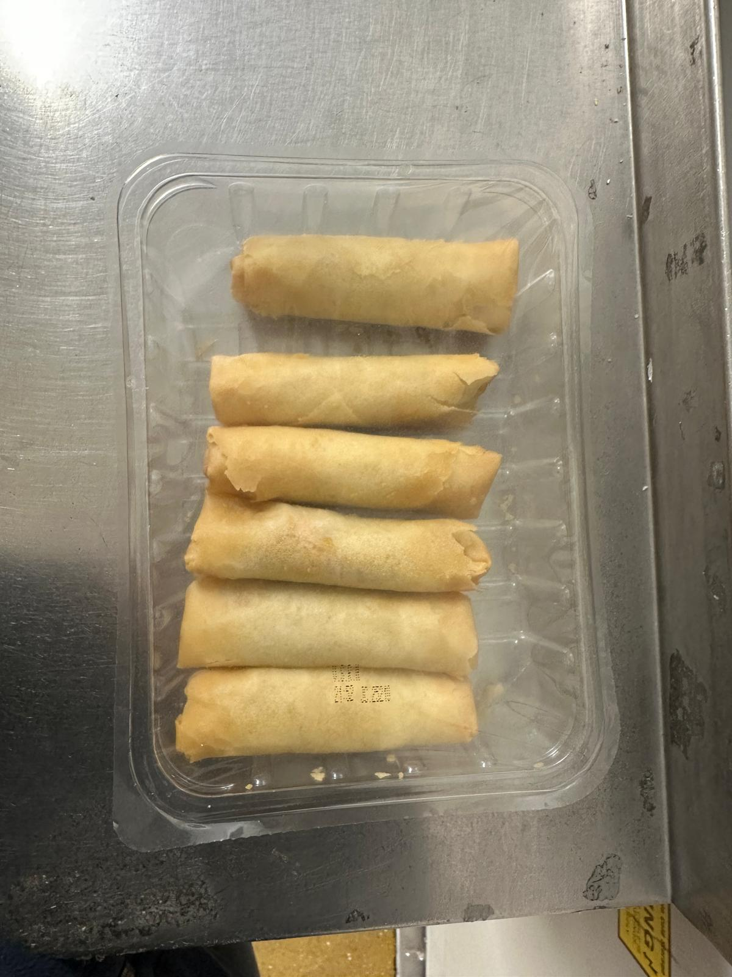

CHINA SPRING ROLL 30G

Tray: SK4 Plain Clear (PKESS001-07) |  |  |  |  | Vegetable Spring Roll (RMWEI002-03) 30g: 6 pieces
Film: K-peel 7G+25A/f-275mm (PKKMP001-03) |  |  |  |  | Total Weight: 180 g
ALLERGY ALERT: Wheat, Soya

